Dashboard
CUSTOMER SALES DASH BOARD
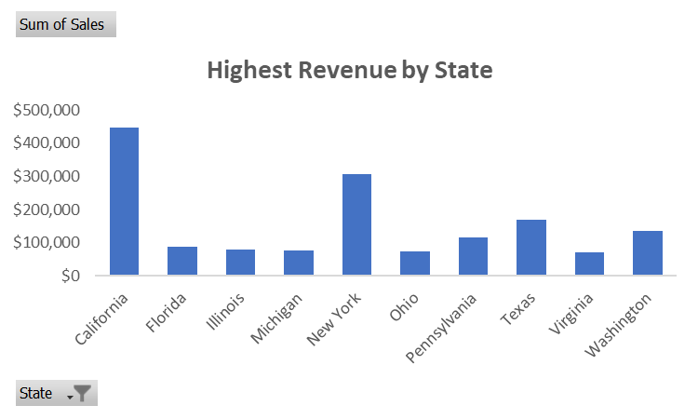

$2,261,536.78
Total Revenue
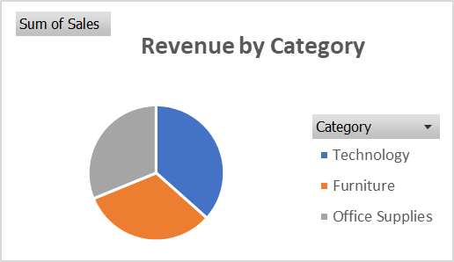

$230.77
Average Revenue

Highest Revenue by City
 | Total
New York City | $252,463
Los Angeles | $173,420
Seattle | $116,106
San Francisco | $109,041
Philadelphia | $108,842
Houston | $63,956
Chicago | $47,820
San Diego | $47,521
Jacksonville | $44,713
Detroit | $42,447
Revenue Contribution by Shipping Mode
 | Total
Standard Class | $1,340,831
Second Class | $449,914
First Class | $345,572
Same Day | $125,219

$22,638.48
Max Revenue

Calculation
CALCULATION |  |  |  | CALCULATIONS

Which state generates the highest revenue |  |  |  |  |  | which product contributed the most to revenue
Highest Revenue by State
Row Labels | Sum of Sales |  |  |  |  | Row Labels | Sum of Sales
California | $446,306 |  |  |  |  | Canon imageCLASS 2200 Advanced Copier | $61,600
New York | $306,361 |  |  |  |  | Fellowes PB500 Electric Punch Plastic Comb Binding Machine with Manual Bind | $27,453
Texas | $168,573 |  |  |  |  | Cisco TelePresence System EX90 Videoconferencing Unit | $22,638
Washington | $135,207 |  |  |  |  | HON 5400 Series Task Chairs for Big and Tall | $21,871
Pennsylvania | $116,277 |  |  |  |  | GBC DocuBind TL300 Electric Binding System | $19,823
Florida | $88,437 |  |  |  |  | GBC Ibimaster 500 Manual ProClick Binding System | $19,025
Illinois | $79,237 |  |  |  |  | Hewlett Packard LaserJet 3310 Copier | $18,840
Michigan | $76,136 |  |  |  |  | HP Designjet T520 Inkjet Large Format Printer - 24" Color | $18,375
Ohio | $75,130 |  |  |  |  | GBC DocuBind P400 Electric Binding System | $17,965
Virginia | $70,637 |  |  |  |  | High Speed Automatic Electric Letter Opener | $17,030
 |  |  |  |  |  | Grand Total | $244,620

Which Cities generates the highest revenue |  |  |  |  |  | Which Product to discountinue according to Revenue

Row Labels | Sum of Sales |  |  |  |  | Row Labels | Sum of Sales
New York City | $252,463 |  |  |  |  | Eureka Disposable Bags for Sanitaire Vibra Groomer I Upright Vac | $1.62
Los Angeles | $173,420 |  |  |  |  | Avery 5 | $5.76
Seattle | $116,106 |  |  |  |  | Xerox 20 | $6.48
San Francisco | $109,041 |  |  |  |  | Grip Seal Envelopes | $7.07
Philadelphia | $108,842 |  |  |  |  | Acme Serrated Blade Letter Opener | $7.63
Houston | $63,956 |  |  |  |  | Avery Hi-Liter Pen Style Six-Color Fluorescent Set | $7.70
Chicago | $47,820 |  |  |  |  | Avery Hi-Liter Comfort Grip Fluorescent Highlighter, Yellow Ink | $7.80
San Diego | $47,521 |  |  |  |  | Xerox 1989 | $7.97
Jacksonville | $44,713 |  |  |  |  | 4009 Highlighters | $8.04
Detroit | $42,447 |  |  |  |  | Stockwell Gold Paper Clips | $8.10
 |  |  |  |  |  | Grand Total | $68.17

Revenue by Category
 |  |  |  |  |  |  | Revenue Generated by Segment
who are our most valuable customers |  |  | Revenue Generated by catergory
 |  |  |  |  |  |  | Row Labels | Sum of Sales
Row Labels | Sum of Sales |  | Row Labels | Sum of Sales |  |  | Consumer | $1,148,061
Sean Miller | $25,043 |  | Technology | $827,456 |  |  | Corporate | $688,494
Tamara Chand | $19,052 |  | Furniture | $728,659 |  |  | Home Office | $424,982
Raymond Buch | $15,117 |  | Office Supplies | $705,422 |  |  | Grand Total | $2,261,537
Tom Ashbrook | $14,596 |  | Grand Total | $2,261,537
Adrian Barton | $14,474
Ken Lonsdale | $14,175
Sanjit Chand | $14,142
Hunter Lopez | $12,873 |  |  |  | List Revenue by Customers
Sanjit Engle | $12,209 | which shipping mode generated the highest revenue
Christopher Conant | $12,129 |  |  |  | Row Labels | Sum of Sales
 |  | Row Labels | Sum of Sales |  | Thais Sissman | $4.83
 |  | Standard Class | $1,340,831 |  | Lela Donovan | $5.30
Statistics |  | Second Class | $449,914 |  | Sung Chung | $14.11
 |  | First Class | $345,572 |  | Carl Jackson | $16.52
Total Revenue | $2,261,536.78 | Same Day | $125,219 |  | Mitch Gastineau | $16.74
Avenue | $230.77 | Grand Total | $2,261,537 |  | Roy Skaria | $22.33
Max | $22,638.48 |  |  |  | Susan Gilcrest | $47.95
Min | $0.44 |  |  |  | Ricardo Emerson | $48.36
 |  |  |  |  | Ionia McGrath | $48.40
 |  |  |  |  | Larry Blacks | $50.19

